Arkusz2
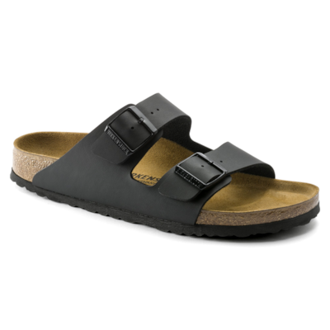
1. BIRKENSTOCK Arizona Birko-Flor | YOUR ORDER:
 | STYLE | SIZE | 36 | 37 | 38 | 39 | 40 | 41 | 42 | 43 | 44 | 45 | 46 | 47 | 48 | price offer | RRP | QTY | TOTAL
 | REGULAR ID: 51791 |  |  |  |  |  |  |  |  |  |  |  |  |  |  | 50.90 € | 85.00 € | 0 | 0
 | NARROW ID: 51793 |  |  |  |  |  |  |  |  |  |  |  |  |  |  | 50.90 € | 85.00 € | 0 | 0

 | AVAILBLE NOW:

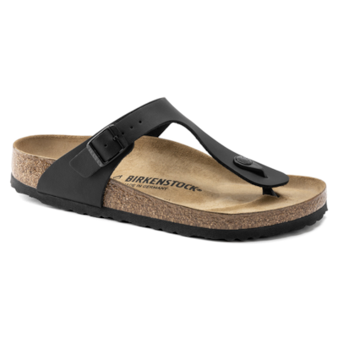
2. BIRKENSTOCK Gizeh Birko-Flor | YOUR ORDER:
 | STYLE | SIZE | 36 | 37 | 38 | 39 | 40 | 41 | 42 | 43 | 44 | 45 | 46 | 47 | 48 | price offer | RRP | QTY | TOTAL
 | REGULAR ID: 43691 |  |  |  |  |  |  |  |  |  |  |  |  |  |  | 50.90 € | 85.00 € | 0 | 0
 |  |  |  |  |  |  |  |  |  |  |  |  |  |  |  | 50.90 € | 85.00 € | 0 | 0

 | AVAILBLE NOW:

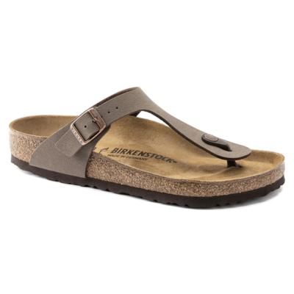
3. BIRKENSTOCK Gizeh Birko-Flor Nubuck | YOUR ORDER:
 | STYLE | SIZE | 36 | 37 | 38 | 39 | 40 | 41 | 42 | 43 | 44 | 45 | 46 | 47 | 48 | price offer | RRP | QTY | TOTAL
 | REGULAR ID: 43751 |  |  |  |  |  |  |  |  |  |  |  |  |  |  | 55.99 € | 95.00 € | 0 | 0
 |  |  |  |  |  |  |  |  |  |  |  |  |  |  |  | 55.99 € | 95.00 € | 0 | 0

 | AVAILBLE NOW:

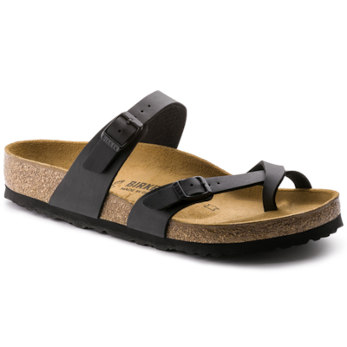
4. BIRKENSTOCK Mayari Birko-Flor | YOUR ORDER:
 | STYLE | SIZE | 36 | 37 | 38 | 39 | 40 | 41 | 42 | 43 | 44 | 45 | 46 | 47 | 48 | price offer | RRP | QTY | TOTAL
 | REGULAR ID: 71791 |  |  |  |  |  |  |  |  |  |  |  |  |  |  | 50.90 € | 85.00 € | 0 | 0
 |  |  |  |  |  |  |  |  |  |  |  |  |  |  |  | 50.90 € | 85.00 € | 0 | 0

 | AVAILBLE NOW:

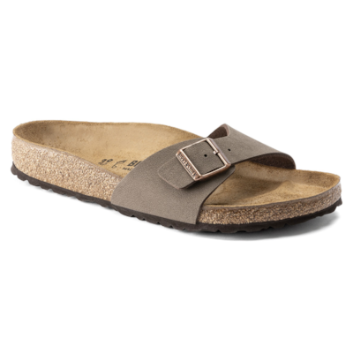
5. BIRKENSTOCK Madrid Birko-Flor Nubuck | YOUR ORDER:
 | STYLE | SIZE | 36 | 37 | 38 | 39 | 40 | 41 | 42 | 43 | 44 | 45 | 46 | 47 | 48 | price offer | RRP | QTY | TOTAL
 | NARROW ID: 40093 |  |  |  |  |  |  |  |  |  |  |  |  |  |  | 50.90 € | 85.00 € | 0 | 0
 |  |  |  |  |  |  |  |  |  |  |  |  |  |  |  | 50.90 € | 85.00 € | 0 | 0

 | AVAILBLE NOW:

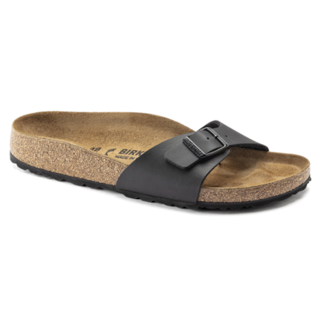
6. BIRKENSTOCK Madrid Birko-Flor | YOUR ORDER:
 | STYLE | SIZE | 36 | 37 | 38 | 39 | 40 | 41 | 42 | 43 | 44 | 45 | 46 | 47 | 48 | price offer | RRP | QTY | TOTAL
 | NARROW ID: 40793 |  |  |  |  |  |  |  |  |  |  |  |  |  |  | 44.90 € | 75.00 € | 0 | 0
 |  |  |  |  |  |  |  |  |  |  |  |  |  |  |  | 44.90 € | 75.00 € | 0 | 0

 | AVAILBLE NOW:

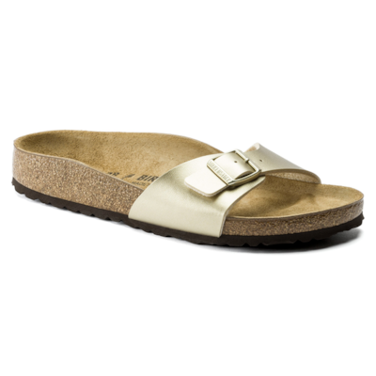
7. BIRKENSTOCK Madrid Birko-Flor | YOUR ORDER:
 | STYLE | SIZE | 36 | 37 | 38 | 39 | 40 | 41 | 42 | 43 | 44 | 45 | 46 | 47 | 48 | price offer | RRP | QTY | TOTAL
 | NARROW ID: 1016107 |  |  |  |  |  |  |  |  |  |  |  |  |  |  | 44.90 € | 75.00 € | 0 | 0
 |  |  |  |  |  |  |  |  |  |  |  |  |  |  |  | 44.90 € | 75.00 € | 0 | 0

 | AVAILBLE NOW:

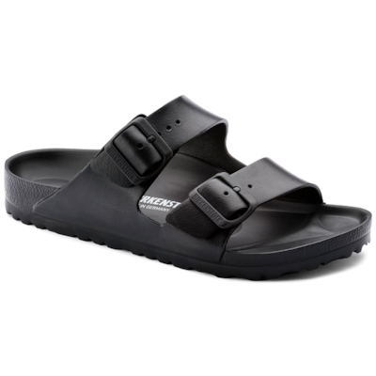
8. BIRKENSTOCK Arizona Essentials EVA | YOUR ORDER:
 | STYLE | SIZE | 36 | 37 | 38 | 39 | 40 | 41 | 42 | 43 | 44 | 45 | 46 | 47 | 48 | price offer | RRP | QTY | TOTAL
 | NARROW ID: 129423 |  |  |  |  |  |  |  |  |  |  |  |  |  |  | 31.40 € | 50.00 € | 0 | 0
 | REGULAR ID: 129421 |  |  |  |  |  |  |  |  |  |  |  |  |  |  | 31.40 € | 50.00 € | 0 | 0

 | AVAILBLE NOW:

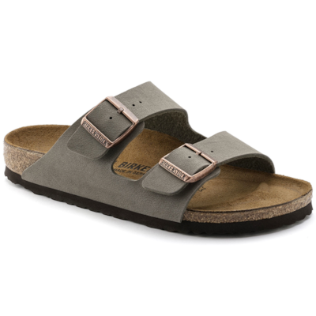
9. BIRKENSTOCK Arizona Birko-Flor Nubuck | YOUR ORDER:
 | STYLE | SIZE | 36 | 37 | 38 | 39 | 40 | 41 | 42 | 43 | 44 | 45 | 46 | 47 | 48 | price offer | RRP | QTY | TOTAL
 | NARROW ID: 151213 |  |  |  |  |  |  |  |  |  |  |  |  |  |  | 55.99 € | 95.00 € | 0 | 0
 | REGULAR ID: 151211 |  |  |  |  |  |  |  |  |  |  |  |  |  |  | 55.99 € | 95.00 € | 0 | 0

 | AVAILBLE NOW:

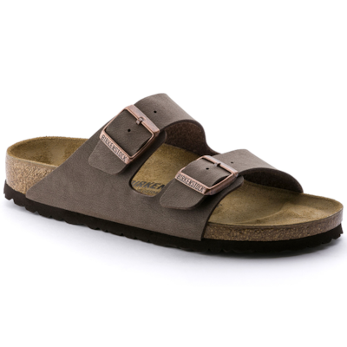
10. BIRKENSTOCK Arizona Birko-Flor Nubuck | YOUR ORDER:
 | STYLE | SIZE | 36 | 37 | 38 | 39 | 40 | 41 | 42 | 43 | 44 | 45 | 46 | 47 | 48 | price offer | RRP | QTY | TOTAL
 | NARROW ID: 151183 |  |  |  |  |  |  |  |  |  |  |  |  |  |  | 55.99 € | 95.00 € | 0 | 0
 | REGULAR ID: 151181 |  |  |  |  |  |  |  |  |  |  |  |  |  |  | 55.99 € | 95.00 € | 0 | 0

 | AVAILBLE NOW:

